RealSense_cases
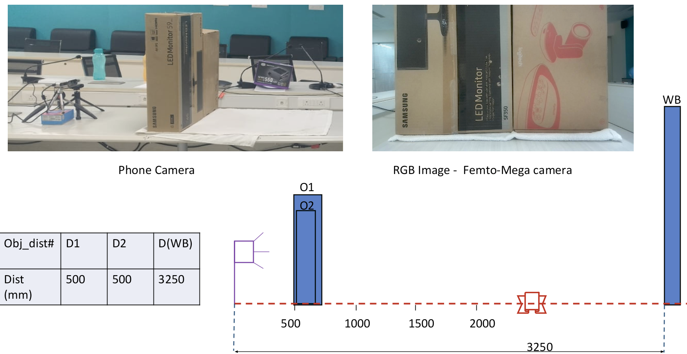
No. | Case | File Path

1 | Samsung box 1m | Captures_June_29_Depth/Intel/Linear Cases/intel_largebox_1m.bag

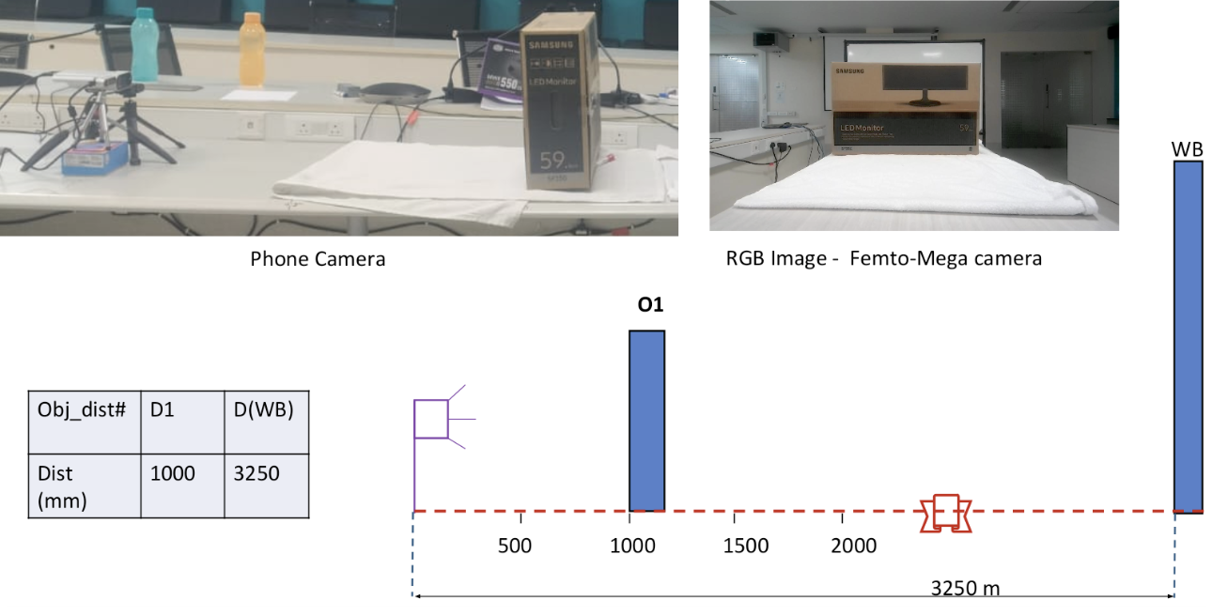

2 | Samsung box 0.5m | Captures_June_29_Depth/Intel/Linear Cases/intel_largebox_50cm.bag

